RF 16
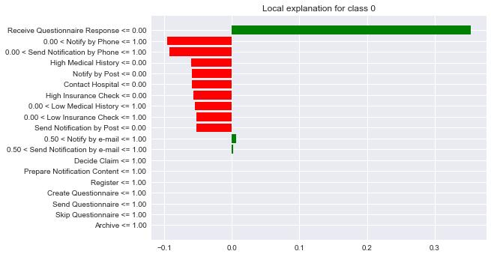
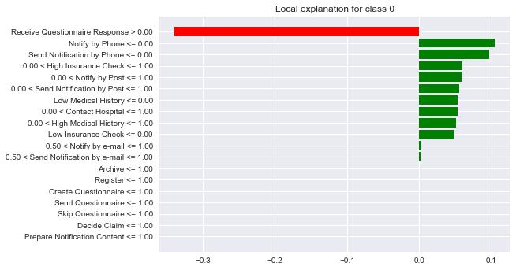
 | KNN |  |  |  |  |  |  |  |  |  |  |  |  |  |  |  |  |  |  |  |  |  | Prediction
 |  |  |  | 1 | 1 | 1 | 1 | 1 | 1 | 1 | 1 | 1 | 1 | 1 | 1 | 1 | 1 | 1 | 1 | 1 | 1 | 1
 |  | FALSE | 1 |  |  |  |  |  | 0.0524 | 0.0544 | 0.0518 |  |  |  |  | 0.0557 | 0.0561 |  |  |  |  |  | 0
 |  |  | 2 |  |  |  |  |  |  |  |  | -0.0555 | -0.0581 |  |  |  |  | 0.0079 | 0.0052 | -0.0986 | -0.0902 |  | 0
 |  |  | 3 |  |  |  |  | -0.3411 | 0.0554 | 0.0624 | 0.0512 |  |  |  |  | 0.0517 | 0.0508 | -0.0005 | 0.0045 |  |  |  | 0
 |  |  | 4 |  |  |  |  |  | 0.0561 | 0.0516 | 0.0444 |  |  |  |  | 0.0536 | 0.0468 | -0.0034 | 0.0052 | -0.1035 | -0.1045 |  | 0
max | 0.35941 |  | 5 |  |  |  |  |  | 0.0559 | 0.0550 | 0.0510 |  |  |  |  | 0.0519 | 0.0469 |  |  | -0.1066 | -0.0984 |  | 0
min | -0.35941 | MEAN |  |  |  |  |  | -0.3411 | 0.0550 | 0.0558 | 0.0496 | -0.0555 | -0.0581 |  |  | 0.0532 | 0.0501 | 0.0013 | 0.0050 | -0.1029 | -0.0977 |  | 0
 |  | TRUE | 1 |  |  |  |  |  |  |  |  | 0.0230 | 0.0221 |  |  |  |  |  |  | 0.1035 | 0.1014 |  | 1
 |  |  | 2 |  |  |  |  |  | -0.0180 | -0.0176 | -0.0177 |  |  |  |  | -0.0272 | -0.0205 | 0.0076 | 0.0103 | 0.1210 | 0.1095 |  | 1
 |  |  | 3 |  |  |  |  |  |  |  |  | 0.0178 | 0.0136 |  |  |  |  |  |  |  |  |  | 1
 |  |  | 4 |  |  |  |  |  |  |  |  | 0.0187 | 0.0136 |  |  |  |  | -0.0003 | 0.0024 | 0.1108 | 0.1070 |  | 1
max | 0.12105 |  | 5 |  |  |  |  |  |  |  |  | 0.0133 | 0.0196 |  |  |  |  | 0.0002 | 0.0064 |  |  |  | 1
min | -0.12105 | MEAN | MEAN |  |  |  |  |  | -0.0180 | -0.0176 | -0.0177 | 0.0182 | 0.0172 |  |  | -0.0272 | -0.0205 | 0.0025 | 0.0064 | 0.1118 | 0.1060 |  | 1

